Sheet1
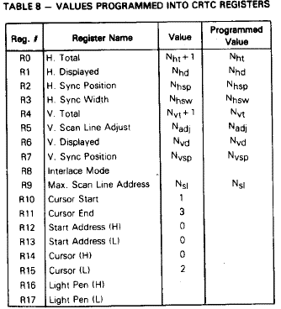
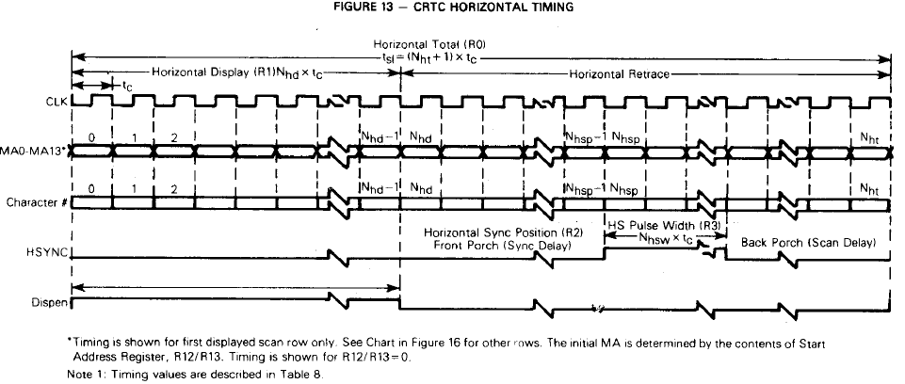
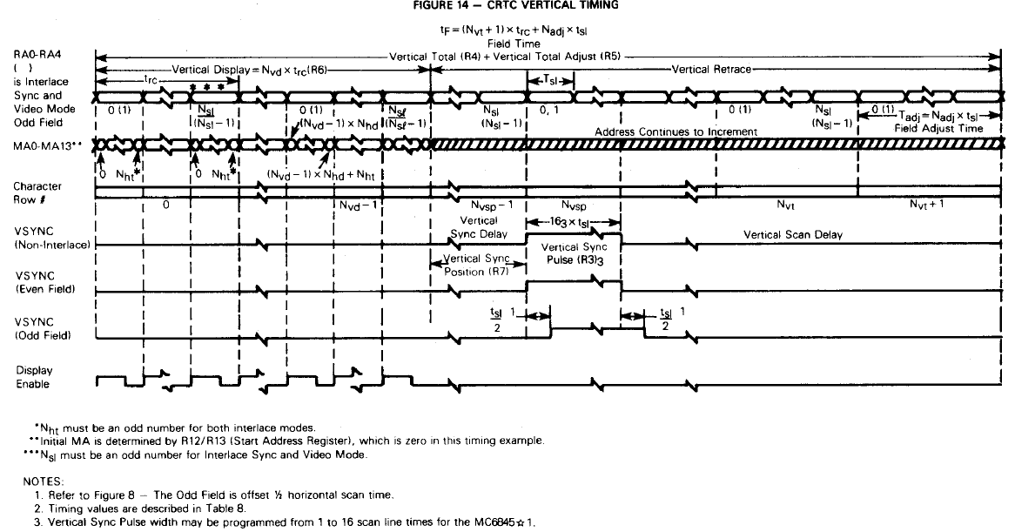
Display Format Worksheet

1 | Displayed Characters per Row |  | 27 | Char |  |  |  |  |  | Decimal | Hex
2 | Displayed Character Rows per Screen |  | 14 | Rows |  |  |  | R0 | Horizontal Total | 36 | 24
3 | Character Matrix | a. Columns | 7 | Columns |  |  |  | R1 | Horizontal Displayed | 27 | 1B
 |  | b. Rows | 16 | Rows |  |  |  | R2 | Horizontal Sync Position | 28 | 1C
4 | Character Block | a. Columns | 7 | Columns | <-- Clock Divider ratio |  |  | R3 | Horizontal Sync Width | 3 | 03
 |  | b. Rows | 16 | Rows |  |  |  | R4 | Vertical Total | 18 | 12
5 | Frame Refresh Rate |  | 50 | Hz |  |  |  | R5 | Vertical Adjust | 9 | 09
6 | Horizontal Oscillator Frequency |  | 15,625 | Hz | 15.625 khz |  |  | R6 | Verctial Displayed | 14 | 0E
7 | Active Scan Lines (line 2 x Line 4b) |  | 224 | Lines |  |  |  | R7 | Vertical Sync Position | 16 | 10
8 | Total Scan Lines (line 6 / Line 5) |  | 313 | Lines |  |  |  | R8 | Interlace (00 Normal, 01 Interlace |  | 00
9 | Total Row Per Screen (Line 8 / Line 4b) |  | 19 | Rows and | 9 | Lines |  |  | 03 interlace, and video)
10 | Vertical Sync Delay (Char Rows) |  | 2 | Rows |  |  |  | R9 | Max Scan Line Add | 15 | 0F
11 | Vertical Sync Width (Scan Lines (16)) |  | 16 | Lines |  |  |  | R10 | Cursor Start | 32 | 20
12 | Horizontal Sync Delay (Character Times)1 |  | 1 | Char. Times | 1.730 | uS | 1.65 us | R11 | Cursor End | 0 | 00
13 | Horizontal Sync Width (Character Times)2 |  | 3 | Char. Times | 5.189 | uS | 4.7 us | R12,R13 | Start Address(H and L) | 0 | 00
14 | Horizontal Scan Delay(Charactyer Times)2 |  | 6 | Char. Times | 10.378 | uS | 5.7 us |  |  |  | 00
15 | Total Character Times (Line 1 + 12 + 13 + 14) |  | 37 | Char. Times | 64.00 | uS | 64 us | R14.R15 | Cursor (H and L | 0 | 00
16 | Character Rate (Line 6 x 15) |  | 0.5781 | MHz | 1.73 | uS |  |  |  |  | 00
17 | Dot Clock Rate (Line 4a x 16) |  | 4.047 | MHz | 0.25 | uS

